Dashboard - Sample
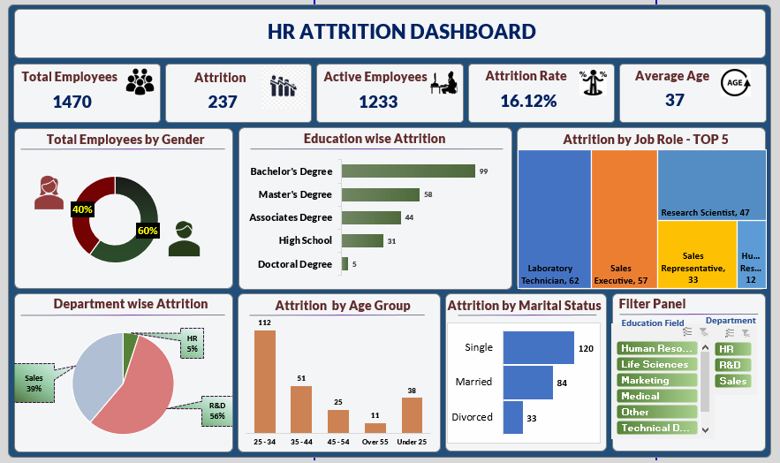

Male vs Female
Row Labels | Count of Employee Number
Female | 588
Male | 882
Grand Total | 1470

Education wise attrition
Row Labels | Sum of CF_attrition counts
Associates Degree | 44
Bachelor's Degree | 99
Doctoral Degree | 5
High School | 31
Master's Degree | 58
Grand Total | 237

Departmentwise
Row Labels | Sum of CF_attrition count
HR | 12
R&D | 133
Sales | 92
Grand Total | 237

Attrition by Age Group
Row Labels | Sum of CF_attrition count
25 - 34 | 112
35 - 44 | 51
45 - 54 | 25
Over 55 | 11
Under 25 | 38
Grand Total | 237

maritial
Row Labels | Sum of CF_attrition count
Divorced | 33
Married | 84
Single | 120
Grand Total | 237

Blank - Layout
`

Total Employee
Attrition
Active Employee
Attrition Rate
Average Age
1470
237
1233
16.12%
37

Total Employee by Gender
Education Wise Attrition
Attrition by Job Role-Top 5

 | Total
Female | 588
Male | 882
 | Total
Associates Degree | 44
Bachelor's Degree | 99
Doctoral Degree | 5
High School | 31
Master's Degree | 58

Department Wise Attrition
Attrition by Age Group
Attrition by Marital Status
Slicer

 | Total
HR | 12
R&D | 133
Sales | 92
 | Total
25 - 34 | 112
35 - 44 | 51
45 - 54 | 25
Over 55 | 11
Under 25 | 38
 | Total
Divorced | 33
Married | 84
Single | 120

